TIMBERLAND
IMAGE | ART | GENDER | MODEL DESCRIPTION | COLOR | SIZE US | AVAILABLE | WHS | RTL | TOT WHS € | ORDER
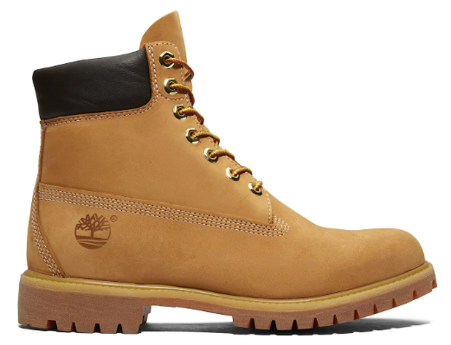 | TB1100617131 | Man | PREMIUM 6 INCH LACE UP WATERPROOF | WHEAT | 6 | 115 | 104.60 € | 230.00 € | 12,029.00 €
 | TB1100617131 | Man | PREMIUM 6 INCH LACE UP WATERPROOF | WHEAT | 6.5 | 220 | 104.60 € | 230.00 € | 23,012.00 €
 | TB1100617131 | Man | PREMIUM 6 INCH LACE UP WATERPROOF | WHEAT | 7 | 187 | 104.60 € | 230.00 € | 19,560.20 €
 | TB1100617131 | Man | PREMIUM 6 INCH LACE UP WATERPROOF | WHEAT | 7.5 | 470 | 104.60 € | 230.00 € | 49,162.00 €
 | TB1100617131 | Man | PREMIUM 6 INCH LACE UP WATERPROOF | WHEAT | 8 | 497 | 104.60 € | 230.00 € | 51,986.20 €
 | TB1100617131 | Man | PREMIUM 6 INCH LACE UP WATERPROOF | WHEAT | 8.5 | 300 | 104.60 € | 230.00 € | 31,380.00 €
 | TB1100617131 | Man | PREMIUM 6 INCH LACE UP WATERPROOF | WHEAT | 9 | 227 | 104.60 € | 230.00 € | 23,744.20 €
 | TB1100617131 | Man | PREMIUM 6 INCH LACE UP WATERPROOF | WHEAT | 9.5 | 70 | 104.60 € | 230.00 € | 7,322.00 €
 | TB1100617131 | Man | PREMIUM 6 INCH LACE UP WATERPROOF | WHEAT | 10 | 7 | 104.60 € | 230.00 € | 732.20 €
 | TB1100617131 | Man | PREMIUM 6 INCH LACE UP WATERPROOF | WHEAT | 10.5 | 40 | 104.60 € | 230.00 € | 4,184.00 €
 |  |  |  |  |  | 2133 |  |  | 223,111.80 €

